Problem
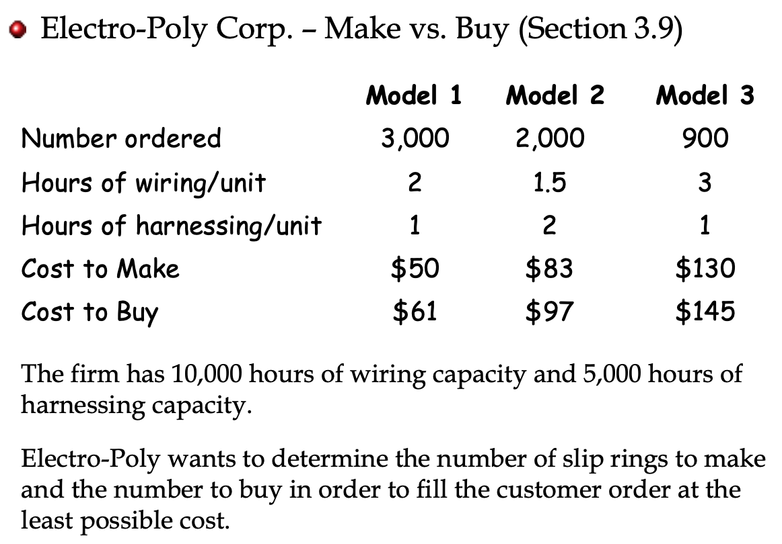

Solution
Models to Make and Buy |  | MM1 = number of units of model 1 to make
 |  | MB1 = number of units of model 1 to buy and so on
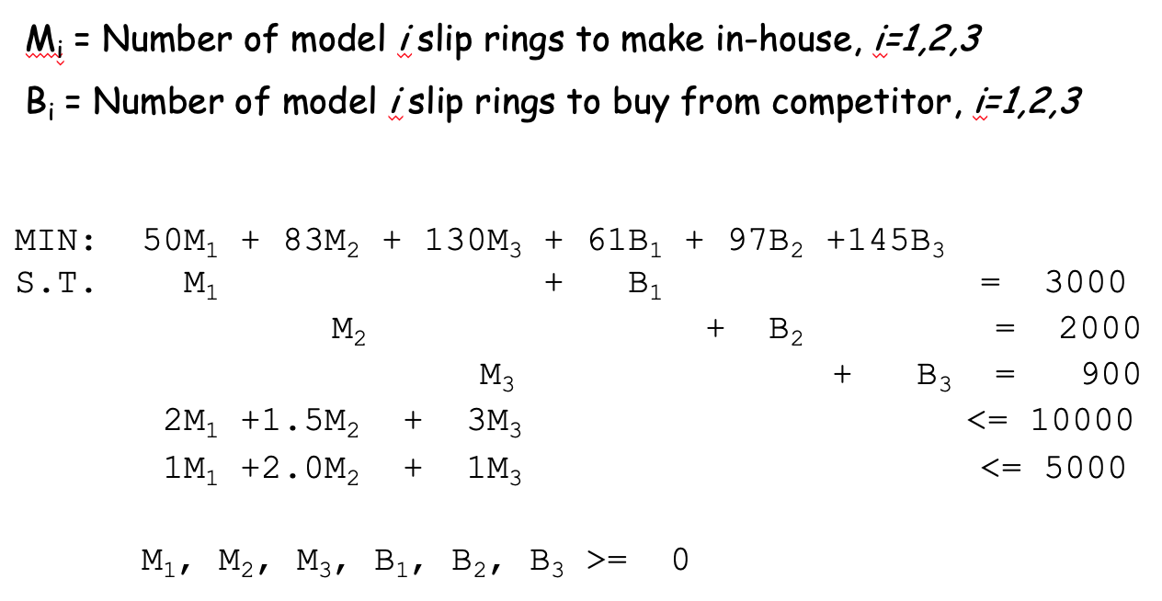
 | MM1 | MB1 | MM2 | MB2 | MM3 | MB3
Ind Variable | 3000 | 0 | 550 | 1450 | 900 | 0 | Obj Value
Costs | 50 | 61 | 83 | 97 | 130 | 145 | 453300 |  | RHS
Model 1 Demand | 1 | 1 |  |  |  |  | 3000 | = | 3000
Model 2 Demand |  |  | 1 | 1 |  |  | 2000 | = | 2000
Model 3 Demand |  |  |  |  | 1 | 1 | 900 | = | 900
Hours of wiring | 2 |  | 1.5 |  | 3 |  | 9525 | <= | 10000
Hours of harnessing | 1 |  | 2 |  | 1 |  | 5000 | <= | 5000

 | Sensitivity Analysis Report
 | Objective Cell (Min)
 |  | Cell | Name | Final Value
 |  | $I$6 | Costs Obj Value | 453300

 | Decision Variable Cells
 |  |  |  | Final | Reduced | Objective | Allowable | Allowable
 |  | Cell | Name | Value | Cost | Coefficient | Increase | Decrease
 |  | $C$5 | Ind Variable MM1 | 3000 | 0 | 50 | 4.0000001 | 1E+30
 |  | $D$5 | Ind Variable MB1 | 0 | 4 | 61 | 1E+30 | 4
 |  | $E$5 | Ind Variable MM2 | 550 | 0 | 83 | 14.0000001 | 8.0000002
 |  | $F$5 | Ind Variable MB2 | 1450 | 0 | 97 | 8.0000002 | 14.0000001
 |  | $G$5 | Ind Variable MM3 | 900 | 0 | 130 | 8.0000001 | 1E+30
 |  | $H$5 | Ind Variable MB3 | 0 | 8 | 145 | 1E+30 | 8

 | Constraints
 |  |  |  | Final | Shadow | Constraint | Allowable | Allowable
 |  | Cell | Name | Value | Price | R.H. Side | Increase | Decrease
 |  | $I$10 | Hours of wiring Obj Value | 9525 | 0 | 10000 | 1E+30 | 475
 |  | $I$11 | Hours of harnessing Obj Value | 5000 | -7 | 5000 | 633.33333333 | 1100
 |  | $I$7 | Model 1 Demand Obj Value | 3000 | 57 | 3000 | 380 | 2900
 |  | $I$8 | Model 2 Demand Obj Value | 2000 | 97 | 2000 | 1E+30 | 1450
 |  | $I$9 | Model 3 Demand Obj Value | 900 | 137 | 900 | 211.11111111 | 900

